Sheet2
Obesitas | >59 kg |  | >70 kg |  | >84 kg |  | >103 kg | 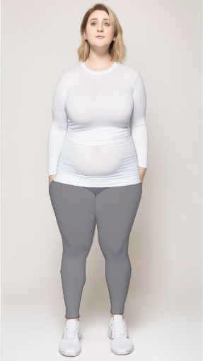
Gendut | 49-58 kg |  | 58-69 kg |  | 70-83 kg |  | 86-102 kg | 
Normal | 37-49 kg |  | 44-57 kg |  | 53-69 kg |  | 65-85 kg | 
Kurus | <36 kg |  | <43 kg |  | <52 kg |  | <64 kg | 
 | Pendek |  | Rata-rata |  | Tinggi |  | Sangat Tinggi
 | 140 - 150 cm |  | 151-165 cm |  | 166-180 cm |  | > 180 cm

